Dashboard

Students Background Dashboard

 | Total
Cohort 1 | 22
Cohort 2 | 26
 | Total
Career Switcher | 6
Recent Graduate | 42
48
Students
Number of Students By Cohort
Applicant Status
Student Backgeound
STEM | 38
FABE | 4
MIS | 3
Other | 3
Preferred Job
Project Manager | 16
BI Manager | 17
BI Engineer | 18
BI Consultant | 19
BI Developer | 22
Data Analyst | 41
BI Analyst | 42
Business Analyst | 43

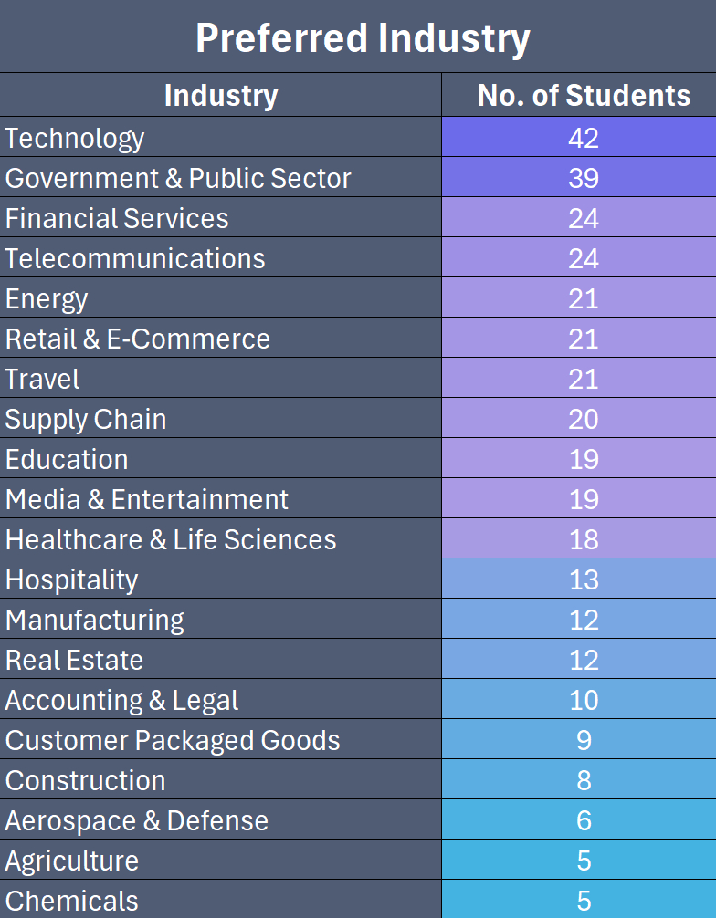
Preferred Functional Area
 | count
Legal & Compliance | 3
Procurement | 6
Sales | 14
Human Resources | 15
Product | 15
Finance | 17
Marketing | 19
Operations | 20
Quality Assurance | 22
Research & Development | 28
Risk Management | 28
Technology & Data | 44

Skill Levels
 | Total
Beginner | 10
Intermediate | 22
Advanced | 16
Beginner | 29
Intermediate | 16
Advanced | 3
Beginner | 13
Intermediate | 29
Advanced | 6
Beginner | 11
Intermediate | 32
Advanced | 5
Beginner | 41
Intermediate | 5
Advanced | 2
Experience
 | Total
No experience | 7
Less than 6 months | 14
6 months - 1 year | 13
1 - 2 years | 3
More than 2 years | 11
No experience | 22
Less than 6 months | 18
6 months - 1 year | 6
1 - 2 years | 1
More than 2 years | 1
No experience | 12
Less than 6 months | 14
6 months - 1 year | 13
1 - 2 years | 5
More than 2 years | 4
No experience | 7
Less than 6 months | 22
6 months - 1 year | 10
1 - 2 years | 8
More than 2 years | 1
No experience | 34
Less than 6 months | 13
1 - 2 years | 1

